data
x_axis | y_axis
1882 | 4.0366132723
1883 | 4.1006864989
1884 | 6.8878718535
1885 | 9.1624713959
1886 | 2.0823798627
1887 | 5.2219679634
1888 | 7.0800915332
1889 | 7.0800915332
1890 | 7.2723112128
1891 | 10.155606407
1892 | 6.2151029748
1893 | 6.2151029748
1894 | 6.0549199085
1895 | 2.3707093822
1896 | 5.061784897
1897 | 6.1830663616
1898 | 3.0114416476
1899 | 5.061784897
1900 | 5.0938215103
1901 | 5.5102974828
1902 | 6.9839816934
1903 | 6.2151029748
1904 | 4.1647597254
1905 | 1.8260869565
1906 | 3.6201372998
1907 | 4.0366132723
1908 | 2.9153318078
1909 | 1.3455377574
1910 | 3.7162471396
1911 | 5.1899313501
1912 | 4.9977116705
1913 | 4.9977116705
1914 | 7.176201373
1915 | 6.8878718535
1916 | 3.3958810069
1917 | 4.6453089245
1918 | 5.1899313501
1919 | 3.0755148741
1920 | 7.6247139588
1921 | 11.405034325
1922 | 5.8306636156
1923 | 7.2402745995
1924 | 7.2082379863
1925 | 5.9588100686
1926 | 8.9061784897
1927 | 12.366132723
1928 | 4.1647597254
1929 | 5.414187643
1930 | 7.2402745995
1931 | 4.6773455378
1932 | 6.1830663616
1933 | 3.7162471396
1934 | 5.0297482838
1935 | 4.5491990847
1936 | 5.0297482838
1937 | 4.1647597254
1938 | 3.9405034325
1939 | 5.0297482838
1940 | 4.8695652174
1941 | 4.8054919908
1942 | 4.7414187643
1943 | 4.6132723112
1944 | 4.5171624714
1945 | 4.4210526316
1946 | 4.3249427918
1947 | 4.1647597254
1948 | 5.1578947368
1949 | 5.1899313501
1950 | 5.1899313501
1951 | 5.1899313501
1952 | 4.1647597254
1953 | 4.1327231121
1954 | 9.290617849
1955 | 9.3226544622
1956 | 10.28375286
1957 | 10.347826087
1958 | 9.290617849
1959 | 9.3226544622
1960 | 5.0297482838
1961 | 6.0549199085
1962 | 4.1647597254
1963 | 2.0503432494
1964 | 8.233409611
1965 | 8.2974828375
1966 | 8.2013729977
1967 | 5.8627002288
1968 | 8.2654462243
1969 | 4.1327231121
1970 | 4.1647597254
1971 | 10.443935927
1972 | 13.263157895
1973 | 8.3295194508
1974 | 9.4828375286
1975 | 9.1304347826
1976 | 5.766590389
1977 | 7.2402745995
1978 | 5.1578947368
1979 | 6.0549199085
1980 | 3.8443935927
1981 | 7.7208237986
1982 | 10.347826087
1983 | 6.2151029748
1984 | 6.1830663616
1985 | 7.2402745995
1986 | 7.2402745995
1987 | 7.2402745995
1988 | 3.4279176201
1989 | 6.1830663616
1990 | 5.4782608696
1991 | 4.1006864989
1992 | 5.1899313501
1993 | 6.1510297483
1994 | 9.290617849
1995 | 9.3226544622
1996 | 9.290617849
1997 | 9.3226544622
1998 | 7.2723112128
1999 | 7.2082379863
2000 | 11.372997712
2001 | 11.372997712
2002 | 7.2402745995
2003 | 7.2402745995
2004 | 6.2151029748
2005 | 13.455377574
2006 | 13.455377574
2007 | 11.372997712
2008 | 11.372997712
2009 | 5.1899313501
2010 | 5.1578947368
2011 | 2.0823798627
2012 | 6.1830663616
2013 | 13.423340961
2014 | 13.487414188
2015 | 7.2402745995
2016 | 7.2402745995
2017 | 7.2402745995
2018 | 6.1830663616
2019 | 8.233409611

picture
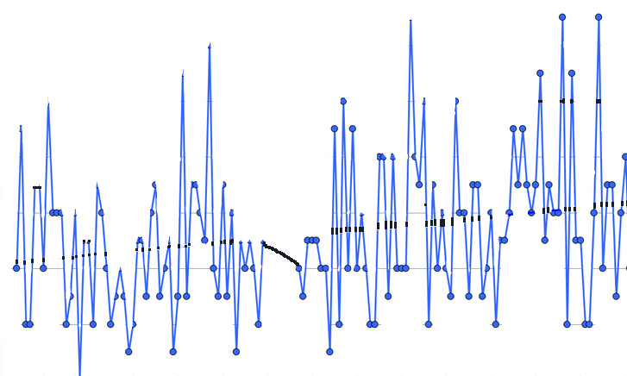

picture_original
